1. Title Page
[Instacart basket analysis]

Project Name: Instacart basket analysis
Date: 11th July 2024
Analyst Name: Lena Cole

Contents:
Population Flow
Consistency checks
Wrangling steps
Column derivations
Visualizations
Recommendations

Data citation:
“The Instacart Online Grocery Shopping Dataset 2017”, Accessed from www.instacart.com/datasets/grocery-shopping-2017 via Kaggle on 1st June 2024.
Customer data used in 'prices' column of dataset was fabricated for this analysis.

2. Population Flow
Title page

Population flow

Exclusion flag
Condition: max_order < 5 orders
Obervations to be removed: 1,441,548
Final total count of df_order_products_all: 30,992,664

df_orders_products_combined
df_orders_prods_merge
df_orders_products_all

Total: 32,434,212
Total: 32,434,489
Total: 32,434,212

1.) The grey boxes in the first row of the population flow represent the original data sets as they were when you downloaded them. In the Total fields you need to add the count of the rows when you imported the data set into Jupyter.
2.) The second row of boxes (coloured) represents the data sets after you manipulated them, e.g., removed missing values and duplicates. In the Total fields you need to add the count of the rows after conducting these operations. This offers a visual oveview of how the data flows throughout the data consistency checks.
3.) The third row, where also the arrows are coloured, represents the merges you performed between the datasets. In the Total fields you need to add the count of the rows in the merged datasets, so that you end up with the final dataset (in the red box). Keep in mind the final dataset should be without exclusions (based on the exclusion flag).

3. Consistency checks
 |  |  |  | Title page
Consistency checks

Dataset | Missing values | Missing values treatment | Duplicates
orders | 206,209 (in 'days since prior order' column) | Created new variable that acted as a flag | None
products | 16 (in 'product name' column | The missing values were removed | None
orders_products_prior | None | N/A | N/A
customers | 11,259 | Changed NaN 'first name' to '-', as first name was not relevant to analysis, but the rest of the data for the customer missing their first name was relevant. | N/A

4. Wrangling steps
 |  |  |  | Title page
Wrangling steps

Columns dropped | Columns renamed | Columns' type changed | Comment/Reason
eval set |  |  | Not relevant to analysis
 | 'order dow' to 'orders day of week' |  | Changed to more intuative name
 |  | user id (from integer to string) | Acts as an id, not a numerical value
Unnamed:0 |  |  | Unneeded and unrelevant
 | 'First Name' to 'first_name' | first_name (from mixed to string) | In line with other column naming and data type conventions
 | 'Surnam' to 'surname' |  | In line with other column naming conventions
 | 'Gender' to 'gender' |  | In line with other column naming conventions
 | 'STATE' to 'state' |  | In line with other column naming conventions
 | 'Age' to 'age' |  | In line with other column naming conventions
 | 'n_dependants' to 'number_of_dependants' |  | In line with other column naming conventions
 | 'fam_status' to 'family_status' |  | In line with other column naming conventions

5. Column derivations
 |  |  |  |  |  |  |  |  |  | Title page

Column derivations and aggregations

Dataset | New column | Column/s it was derived from | Conditions | Frequency | Dataset | Column | Crosstab
df_ords_prods_merge | price range | prices | Low range product (price <= 5) Mid range product (price > 5 and <= 15) High range product (price > 15) | 10,126,384 21,890,146 417,682 | df_cust_ords_prods | days_since_last_order | 1 | 2 | 3 | 4 | 5 | 6 | 7 | 8 | 9 | 10 | 11 | 12 | 13 | 14 | 15 | 16 | 17 | 18 | 19 | 20 | 21 | 22 | 23 | 24 | 25 | 26 | 27 | 28 | 29 | 30 | 31 | 32 | 33 | 34
df_ords_prods_merge | busiest day | orders day of week | Least busy (least busy day of week) Regularly busy (five other days of week) Busiest day (most busy day of week) | 3,787,193 22,437,387 6,209,632 |  | 0 | 0 | 20562 | 20452 | 17998 | 16451 | 16061 | 14396 | 13896 | 12782 | 11471 | 11795 | 9837 | 9443 | 8968 | 8441 | 8141 | 7854 | 7751 | 7043 | 6908 | 7091 | 6431 | 6172 | 6111 | 6037 | 5545 | 6053 | 5573 | 5208 | 5686 | 4817 | 5135 | 4630 | 4537
df_ords_prods_merge | busiest days | orders day of week | Slowest days (least busy two days of week) Regularly busy (three other days of week) Busiest days (busiest two days of week) | 7,631,289 12,927,461 11,875,462 |  | 1 | 0 | 31693 | 29975 | 28025 | 27109 | 25545 | 25013 | 22935 | 21797 | 21081 | 21279 | 19533 | 19117 | 18297 | 18557 | 18143 | 16781 | 15983 | 15523 | 15136 | 15194 | 13860 | 13624 | 13242 | 12869 | 13017 | 12945 | 11977 | 12535 | 12092 | 11756 | 11586 | 10873 | 10402
df_ords_prods_merge | busiest period of day | order hour of day | Fewest orders (between 0000 and 0600 hours, which is when orders are <400,000) Average orders (between 0700 and 0800, and 1800 and 2300 hours, which is when orders are < 1,000,000 but >400,000) Most orders (between 0900 and 1700 hours, which is when orders are >= 1,000,000) | 887,586 8,319,912 23,226,714 |  | 2 | 0 | 46489 | 46298 | 43933 | 40757 | 40944 | 38138 | 37560 | 35776 | 33861 | 33394 | 31496 | 30633 | 30275 | 28650 | 27600 | 26707 | 26253 | 25631 | 23742 | 23547 | 23995 | 23071 | 22358 | 21847 | 21616 | 20667 | 19792 | 18965 | 19251 | 18751 | 18343 | 17119 | 17542
df_ords_prods_merge | loyalty flag | max order (created by finding the maximum frequency of the 'order number' column) | New customer (max order <= 10) Regular customer (max order >10 and <= 40) Loyal customer (max order > 40) | 6,249,398 15,891,077 10,293,737 |  | 3 | 0 | 61701 | 63450 | 60047 | 57931 | 56219 | 52916 | 49333 | 48324 | 47858 | 45073 | 43027 | 42157 | 40736 | 38467 | 37972 | 35965 | 34700 | 34421 | 32676 | 32424 | 31502 | 30704 | 29458 | 29034 | 28280 | 26487 | 27109 | 25777 | 23447 | 23617 | 24501 | 23843 | 22242
df_ords_prods_merge | spending flag | avg price (created with the user id column and the mean of the prices column) | Low spender (avg price < 10) High spender (avg price >= 10 | 31,798,751 635,461 |  | 4 | 0 | 76794 | 78922 | 73606 | 70592 | 66629 | 62452 | 61200 | 59568 | 57743 | 54768 | 51993 | 48825 | 46951 | 45881 | 44286 | 42159 | 41308 | 39444 | 37354 | 36553 | 36511 | 35936 | 33159 | 34180 | 31369 | 31070 | 30129 | 28558 | 27040 | 26975 | 26033 | 24469 | 24675
df_ords_prods_merge | frequency flag | median regularity (created with the user id column and the median value of the 'days since last order' column) | Non-frequent customer (median regularity > 20) Regular customer (median regularity >10 but <= 20) Frequent customer (median regularity <= 10) | 3,639,669 7,217,134 21,577,409 |  | 5 | 0 | 89103 | 91826 | 86577 | 81933 | 77645 | 73637 | 70078 | 64515 | 63201 | 59501 | 55598 | 53571 | 53009 | 49314 | 47010 | 47061 | 44918 | 42118 | 40813 | 40226 | 37744 | 35524 | 36180 | 34823 | 32303 | 31884 | 29675 | 29437 | 29404 | 27850 | 26105 | 25981 | 24215
df_orders_products_all | region | state | Northeast (Maine, New Hampshire, Vermont, Massachusetts, Rhode Island, Connecticut, New York, Pennsylvania, New Jersey) Midwest (Wisconsin, Michigan, Illinois, Indiana, Ohio, North Dakota, South Dakota, Nebraska, Kansas, Minnesota, Iowa, Missouri) West (Idaho, Montana, Wyoming, Nevada, Utah, Colorado, Arizona, New Mexico, Alaska, Washington, Oregon, California, Hawaii) South (Delaware, Maryland, District of Columbia, Virginia, West Virginia, North Carolina, South Carolina, Georgia, Florida, Kentucky, Tennessee, Mississippi, Alabama, Texas, Arkansas, Louisiana) | 5,728347 7,603,810 8,300,445 10,801,610 |  | 6 | 0 | 120786 | 123008 | 114762 | 106859 | 100838 | 96045 | 89830 | 87290 | 78707 | 78967 | 74788 | 68716 | 65194 | 62432 | 58847 | 56537 | 54838 | 53312 | 51340 | 49445 | 46257 | 44204 | 41047 | 38619 | 38755 | 36463 | 35113 | 33706 | 32666 | 30875 | 29993 | 28507 | 28327
df_orders_products_all | exclusion flag | max order | Include (5 or more orders placed) Exclude (fewer than 5 orders placed) | 30,992,664 1,441548 |  | 7 | 0 | 184973 | 181825 | 167756 | 157591 | 143768 | 137803 | 128561 | 120840 | 114884 | 106484 | 103196 | 100625 | 93815 | 89528 | 86265 | 81331 | 78127 | 73189 | 71106 | 68614 | 64198 | 62570 | 58622 | 56749 | 53920 | 50955 | 48752 | 47679 | 44869 | 42499 | 41657 | 38297 | 35830
df_orders_products_all | parental status | number of dependants | Parent (1 or more dependants) No dependants (0 dependants) | 23,245,632 7,747,032 |  | 8 | 0 | 112446 | 110849 | 102316 | 95041 | 87712 | 81714 | 78825 | 71139 | 67639 | 64956 | 60130 | 57433 | 53613 | 50949 | 47479 | 44233 | 43320 | 40852 | 38692 | 35929 | 35132 | 32017 | 31007 | 30081 | 27694 | 26024 | 26329 | 23949 | 22238 | 21999 | 19768 | 19309 | 17571
df_orders_products_all | marital status | family status and age | Child (Under 18 years old, living with parents and siblings) Single young adult (18 - 40 years old, living at home with parents and siblings and single Single older adult (over 40 and under 65, single) Single elderly adult (65 or older and single) Married young adult (over 18 and married) Married older adult (over 40 and under 65, married) Married elderly adult (65 or older and married) Divorced or widowed young adult (18 - 40, divorced/widowed) Divorced or widowed older adult (over 40 and under 65, divorced/widowed) Divorced or widowed elderly adult (65 or older, divorced/widowed) | 0 2,662,946 2,436,325 1,482,611 6,529,093 9,055,095 6,178,833 0 623,848 2,023,913
df_orders_products_all | income status | income | Low earner (income of less than 50,000 Middle earner (income of more than 50,000 and less than 150,000) High earner (income of 150,000 or more) | 3,366,149 23,727,864 3,898,651
 |  |  |  |  |  | 9 | 0 | 73741 | 75442 | 68589 | 65108 | 58984 | 54854 | 50633 | 47797 | 43520 | 42232 | 38099 | 36814 | 35006 | 31614 | 30782 | 28902 | 26670 | 25627 | 23332 | 22212 | 20481 | 20576 | 18881 | 17928 | 16504 | 16832 | 15400 | 14576 | 13545 | 13004 | 12429 | 11523 | 10791
 |  |  |  |  |  | 10 | 0 | 62086 | 62509 | 57733 | 51960 | 49513 | 43765 | 41157 | 38478 | 34952 | 33933 | 32748 | 29788 | 28745 | 25339 | 23619 | 22611 | 20555 | 19385 | 18428 | 17570 | 15885 | 15660 | 14723 | 14105 | 13656 | 12166 | 10835 | 10545 | 10561 | 10019 | 8539 | 8497 | 7979
 |  |  |  |  |  | 11 | 0 | 55614 | 55969 | 52025 | 45547 | 42576 | 40210 | 36917 | 33430 | 30859 | 29439 | 27448 | 26283 | 23936 | 21662 | 20277 | 20345 | 17877 | 17086 | 15925 | 13590 | 13929 | 12100 | 11989 | 10717 | 11297 | 9870 | 8617 | 7935 | 7045 | 8079 | 6166 | 6569 | 5940
 |  |  |  |  |  | 12 | 0 | 54652 | 56694 | 51086 | 44658 | 42636 | 38713 | 35364 | 33508 | 29881 | 26707 | 26548 | 24364 | 21443 | 21452 | 20419 | 18281 | 16068 | 15729 | 14422 | 12997 | 12241 | 11017 | 10960 | 9554 | 8713 | 8616 | 7960 | 7457 | 7147 | 6365 | 5969 | 5375 | 4700
 |  |  |  |  |  | 13 | 0 | 64018 | 66409 | 58521 | 54394 | 47765 | 44917 | 41312 | 38360 | 34310 | 32561 | 28210 | 26834 | 23686 | 23241 | 20641 | 20583 | 18349 | 16458 | 14433 | 15022 | 12039 | 11763 | 10655 | 10071 | 9577 | 8847 | 7695 | 7750 | 6749 | 5846 | 5666 | 5380 | 5561
 |  |  |  |  |  | 14 | 0 | 82183 | 79832 | 74785 | 67539 | 60532 | 54907 | 49278 | 46311 | 42415 | 38444 | 34362 | 32102 | 30189 | 26918 | 25942 | 24389 | 22035 | 19813 | 18092 | 15071 | 15301 | 14657 | 13317 | 11510 | 10727 | 10478 | 9489 | 8006 | 8332 | 7985 | 6657 | 6236 | 5305
 |  |  |  |  |  | 15 | 0 | 54545 | 53637 | 50282 | 44075 | 39540 | 35581 | 33901 | 29646 | 27786 | 25084 | 24458 | 20686 | 19292 | 17683 | 16222 | 15621 | 13396 | 12545 | 11850 | 10064 | 10415 | 8344 | 7651 | 8097 | 6475 | 6333 | 6096 | 5438 | 5214 | 4251 | 4196 | 3809 | 3395
 |  |  |  |  |  | 16 | 0 | 38933 | 39557 | 34522 | 30613 | 28318 | 25446 | 22432 | 22382 | 20600 | 17442 | 15627 | 14367 | 13306 | 11952 | 10841 | 9603 | 9675 | 8467 | 7676 | 6727 | 6482 | 5719 | 5719 | 4969 | 4081 | 3812 | 3765 | 3309 | 2615 | 2532 | 3006 | 2343 | 2283
 |  |  |  |  |  | 17 | 0 | 31984 | 32889 | 29850 | 26293 | 23875 | 20658 | 18614 | 17583 | 16029 | 14288 | 12814 | 12068 | 11610 | 10139 | 9151 | 7991 | 7800 | 7893 | 6218 | 5692 | 5407 | 5222 | 4852 | 3602 | 3637 | 3200 | 2933 | 2769 | 2165 | 2060 | 1918 | 2010 | 1736
 |  |  |  |  |  | 18 | 0 | 31647 | 30512 | 27334 | 24877 | 22018 | 19187 | 17612 | 16775 | 15079 | 13328 | 12358 | 11354 | 9961 | 9050 | 8160 | 7179 | 6819 | 6678 | 5868 | 5107 | 4489 | 3585 | 3468 | 3468 | 3372 | 2783 | 2750 | 2184 | 2169 | 1806 | 1962 | 1531 | 1183
 |  |  |  |  |  | 19 | 0 | 29912 | 31391 | 26523 | 23878 | 21463 | 19925 | 17878 | 15717 | 14323 | 12679 | 11417 | 10595 | 9085 | 8342 | 7754 | 6943 | 6296 | 6174 | 4888 | 4703 | 4676 | 4092 | 3241 | 3201 | 2651 | 2031 | 2671 | 2484 | 1535 | 1868 | 1578 | 1338 | 1550
 |  |  |  |  |  | 20 | 0 | 35525 | 35247 | 31798 | 28773 | 25548 | 23141 | 19800 | 17144 | 16049 | 13607 | 13402 | 11961 | 10528 | 9642 | 8238 | 7698 | 6713 | 6538 | 5798 | 5529 | 4692 | 4175 | 3584 | 3292 | 3023 | 2898 | 2191 | 1954 | 2258 | 1670 | 1593 | 1358 | 1677
 |  |  |  |  |  | 21 | 0 | 43988 | 44641 | 37684 | 32215 | 31463 | 26030 | 23527 | 20612 | 19564 | 16199 | 15157 | 13360 | 12171 | 10995 | 9811 | 8608 | 8154 | 6922 | 6134 | 5934 | 4792 | 4273 | 4146 | 3871 | 3532 | 3102 | 2424 | 2536 | 2548 | 2042 | 1605 | 1716 | 1659
 |  |  |  |  |  | 22 | 0 | 30065 | 29510 | 26614 | 23413 | 20501 | 18507 | 16960 | 15420 | 13878 | 11564 | 10681 | 9312 | 8226 | 8131 | 6585 | 6239 | 5187 | 4554 | 4684 | 3841 | 3148 | 3238 | 3002 | 2498 | 2455 | 1873 | 1825 | 1380 | 1434 | 1566 | 1477 | 981 | 951
 |  |  |  |  |  | 23 | 0 | 22972 | 24132 | 19813 | 17084 | 15582 | 13908 | 11568 | 11154 | 8691 | 8566 | 7656 | 7305 | 6127 | 5461 | 4294 | 4275 | 3886 | 3139 | 3084 | 2837 | 2678 | 2029 | 2083 | 1653 | 1638 | 1296 | 1261 | 1038 | 1105 | 1084 | 987 | 960 | 468
 |  |  |  |  |  | 24 | 0 | 19305 | 19456 | 16919 | 15728 | 13545 | 12414 | 10809 | 9517 | 8262 | 7629 | 6323 | 5895 | 5429 | 4423 | 3775 | 3492 | 3508 | 2735 | 2298 | 2408 | 1922 | 1855 | 1961 | 1176 | 1363 | 1502 | 681 | 1008 | 666 | 646 | 642 | 547 | 508
 |  |  |  |  |  | 25 | 0 | 18777 | 19391 | 16280 | 14239 | 12626 | 10721 | 9224 | 8539 | 7800 | 6481 | 6113 | 5836 | 4807 | 4519 | 4012 | 3360 | 2923 | 2751 | 2286 | 2091 | 2073 | 1555 | 1301 | 1409 | 1084 | 1116 | 1260 | 749 | 951 | 710 | 557 | 545 | 487
 |  |  |  |  |  | 26 | 0 | 18465 | 19484 | 16087 | 14937 | 13003 | 11812 | 9911 | 8723 | 7919 | 6922 | 5883 | 4833 | 4677 | 3845 | 4182 | 3180 | 2907 | 2621 | 2182 | 1971 | 1606 | 1668 | 1057 | 997 | 1082 | 884 | 715 | 757 | 553 | 668 | 414 | 399 | 357
 |  |  |  |  |  | 27 | 0 | 21358 | 22628 | 20227 | 18349 | 14462 | 12495 | 11807 | 10221 | 8603 | 7350 | 6189 | 6248 | 5275 | 4707 | 4020 | 3452 | 3111 | 2757 | 2399 | 1972 | 1735 | 1728 | 1734 | 1064 | 1132 | 1081 | 937 | 624 | 668 | 596 | 406 | 479 | 456
 |  |  |  |  |  | 28 | 0 | 27986 | 28801 | 25284 | 20886 | 18138 | 16549 | 14244 | 12713 | 10904 | 8783 | 8507 | 7212 | 6834 | 4943 | 4821 | 4374 | 3695 | 3130 | 3328 | 2696 | 1683 | 1955 | 1793 | 1207 | 1378 | 1354 | 937 | 953 | 858 | 974 | 645 | 625 | 519
 |  |  |  |  |  | 29 | 0 | 19961 | 19862 | 17020 | 14778 | 13300 | 11269 | 10100 | 8861 | 7661 | 6356 | 5122 | 5286 | 4948 | 3949 | 3558 | 2781 | 2686 | 2160 | 1862 | 1461 | 1740 | 1179 | 1266 | 1006 | 906 | 800 | 716 | 439 | 484 | 539 | 392 | 270 | 466
 |  |  |  |  |  | 30 | 0 | 466066 | 456111 | 366302 | 294777 | 241493 | 196722 | 163879 | 135547 | 113156 | 94822 | 78894 | 66689 | 55759 | 46976 | 39704 | 33589 | 28843 | 25027 | 22037 | 18250 | 16105 | 14075 | 11282 | 10305 | 9028 | 7401 | 7267 | 6007 | 5180 | 4452 | 3797 | 3653 | 3221
 |  |  |  |  |  |  | 2078084 | 0 | 0 | 0 | 0 | 0 | 0 | 0 | 0 | 0 | 0 | 0 | 0 | 0 | 0 | 0 | 0 | 0 | 0 | 0 | 0 | 0 | 0 | 0 | 0 | 0 | 0 | 0 | 0 | 0 | 0 | 0 | 0 | 0

6. Visualizations
In this tab you should include all the visualtions from Exercises 4.9 and 4.10, alongside the questions from the project brief that they answer. Include any commentary on the relationship between different variables.
 |  |  | Title page

Visualisations

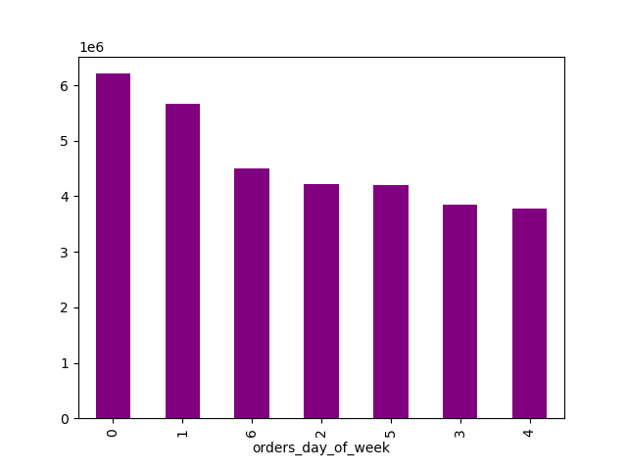

 | Key Questions | Answers
1 | What are the busiest days of the week? | The busiest days of the week are Saturday and Sunday. This is understandable, as the weekend is when many people are not at work and have time to shop.


 | What are the busiest hours of the day? | The busiest hours of the day are between 0900 and 1600. This period incorperates lunchtimes, when those who are working may have more time to place orders, and the time when children are in school, resulting in more time for parents to complete chores. Retirees are also more likely to show during the day.

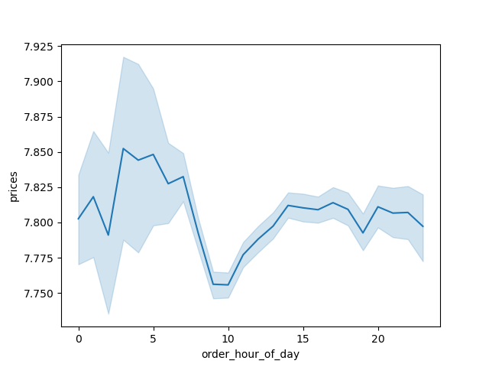
2 | Are there particular times of the day when people spend the most money? | While the line chart looks like early-morning expenditure is highest, the difference over the course of the day is only about 10 cents. I would therefore not say there was a particular time of day when people spend more money than others.


3 | Can we group prices more simply in order to help Marketing and Sales direct their efforts? | The histogram shows that most product prices are below $15, so it would make sense to have either a $0 - $15 price group or to break the groups down even smaller, perhaps in $5 increments.

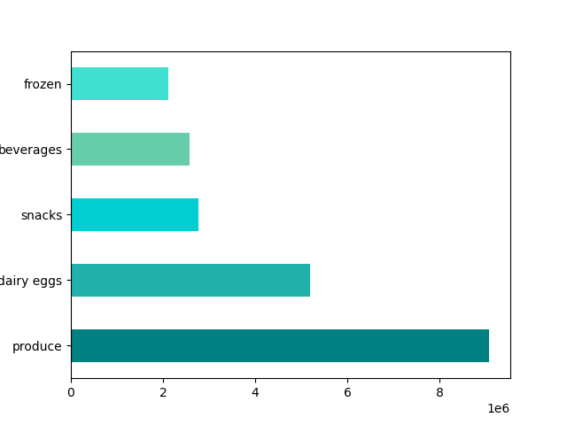
4 | Are certain types of products more popular than others? | Yes, some types of products are far more popular than others. Produce is by far the most popular department, followed by Dairy/Eggs, Snacks, Beverages and Frozen



5 | What’s the distribution among users in regards to their brand loyalty? | Most customers are regular (with between 10 and 40 orders made). There are in excess of 1 1/2 times as many regular customers as there are loyal customers (those who have made more than 40 orders).

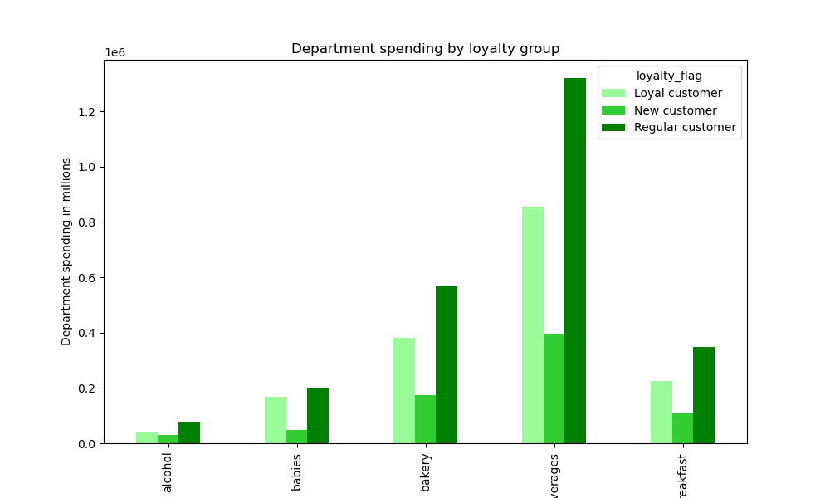
6 | Are there differences in ordering habits based on a customer's loyalty status? | There does not appear to be a significant difference in ordering habits based on a customer's loyalty status.

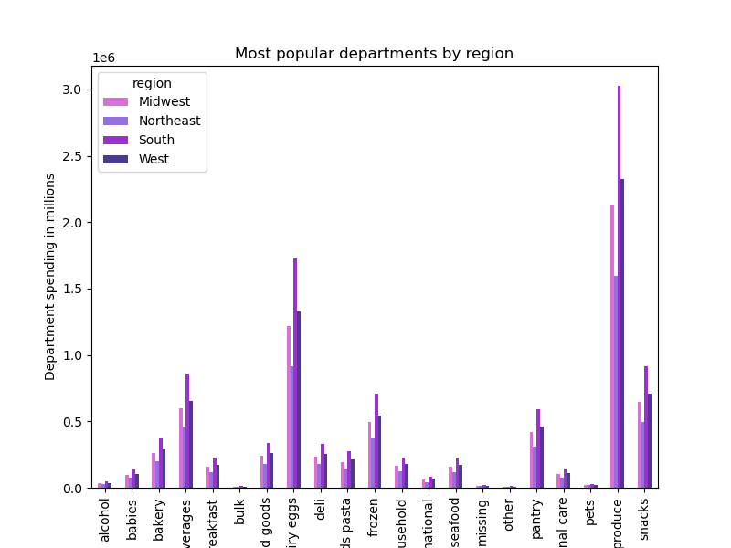

7 | Are there differences in ordering habits based on a customer's region? | Ordering habits do not appear to be different depending on where a customer lives.

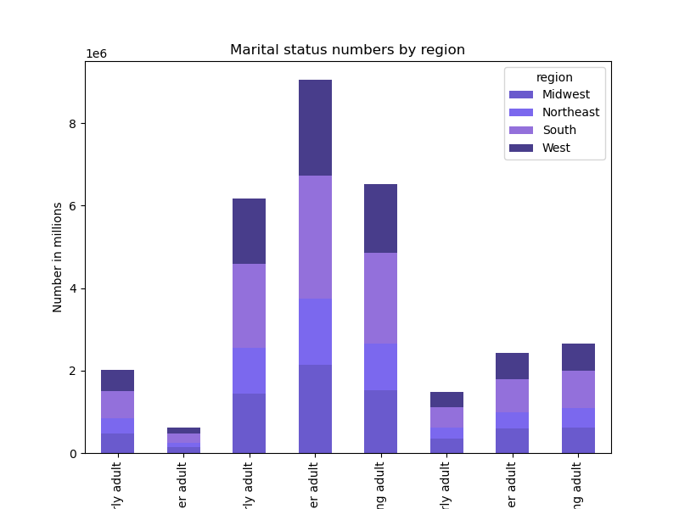
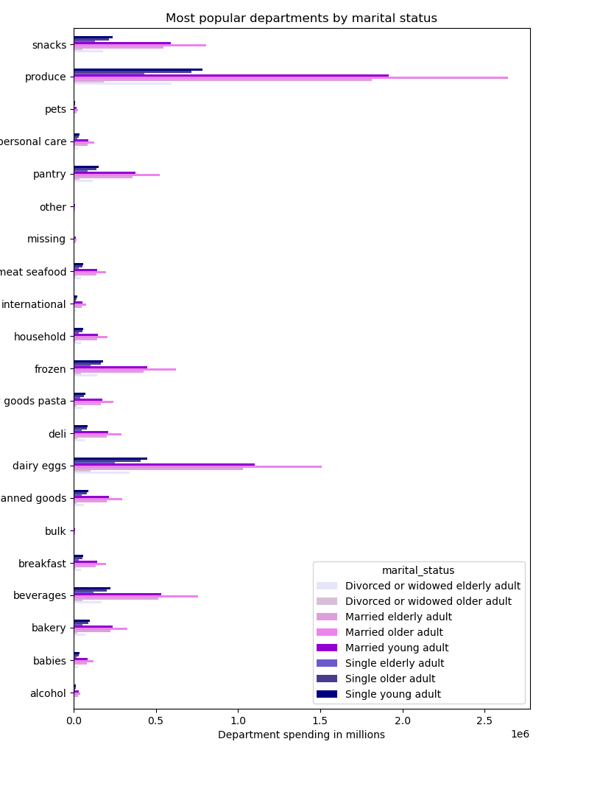
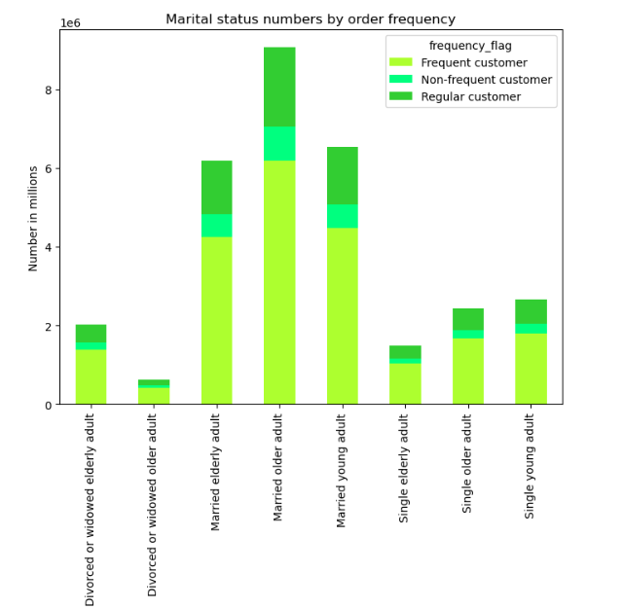
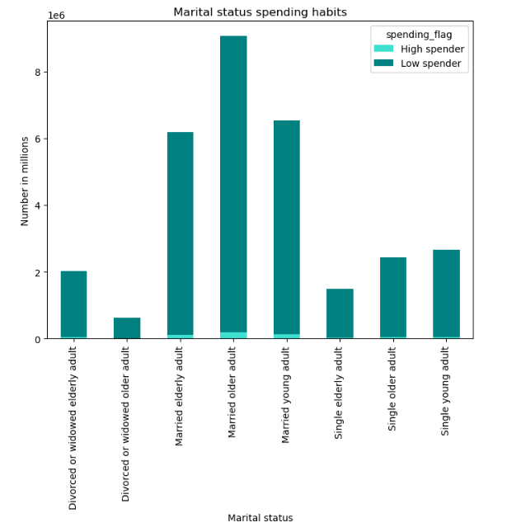
8 | Is there a connection between age and family status in terms of ordering habits? | I looked at age and marital status, where I found that the group was married older adults (those aged between 40 and 65). Again, there was no real different in ordering habits, either as a whole group or divided by region.
 |  | Low spenders and frequent orderers make up the majority of this profile group.

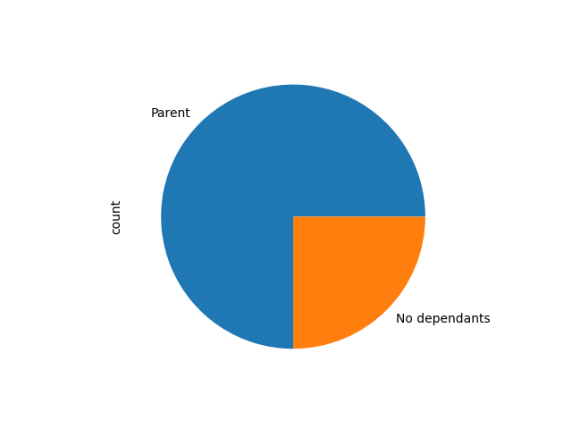
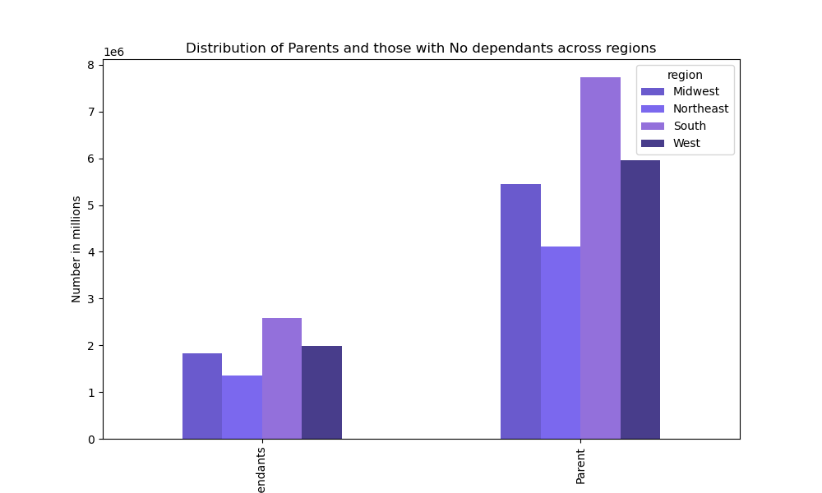
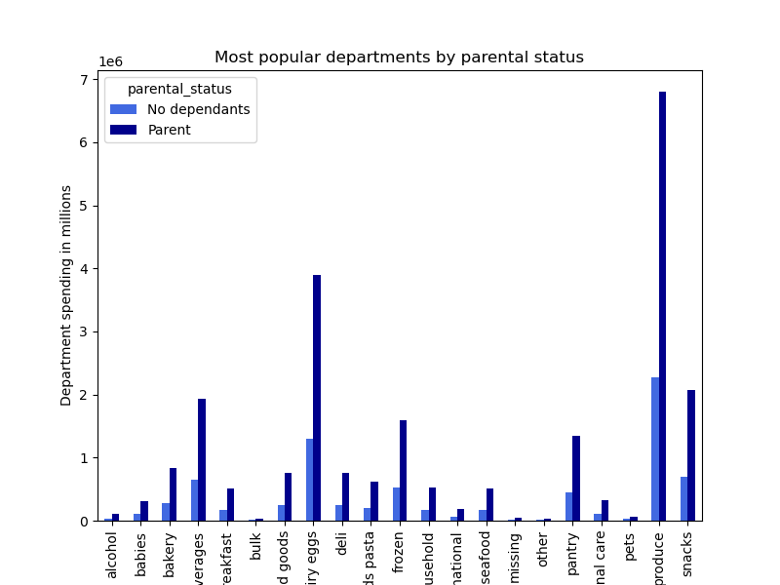
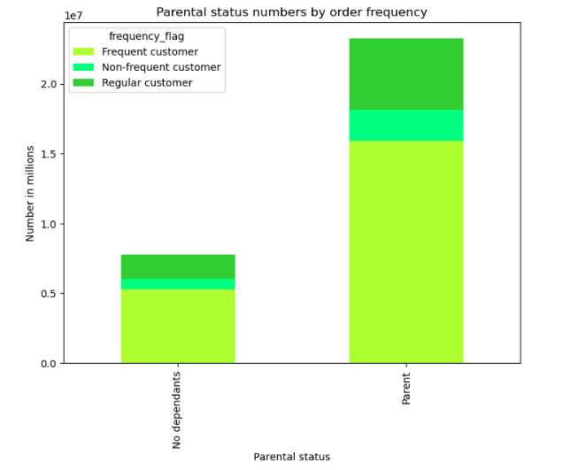
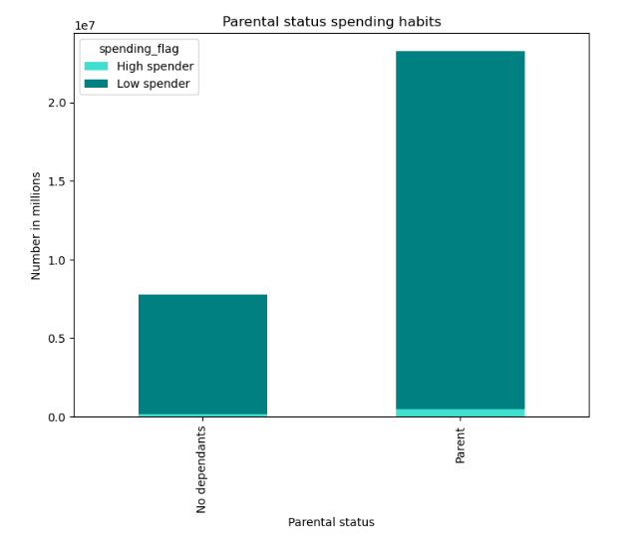

9 | What different classifications does the demographic data suggest? | Parents make up 3/4 of our customers (those customers with 1 or more dependants), while those with no dependants make up 1/4.
 |  | The ordering habits of these two groups do not differ largely from the ordering habits of the customer base as a whole or across regions.
 |  | As with the marital status group, the parental status group are not high spenders, but they do order frequently.

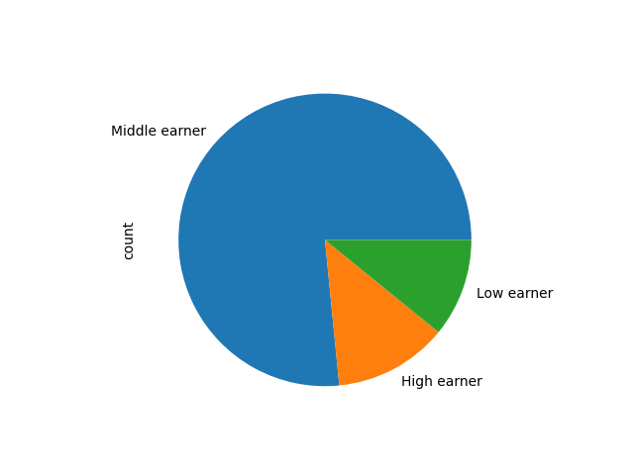
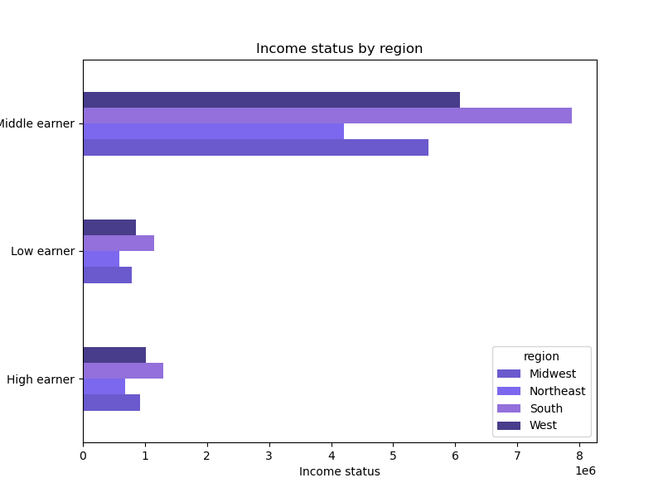
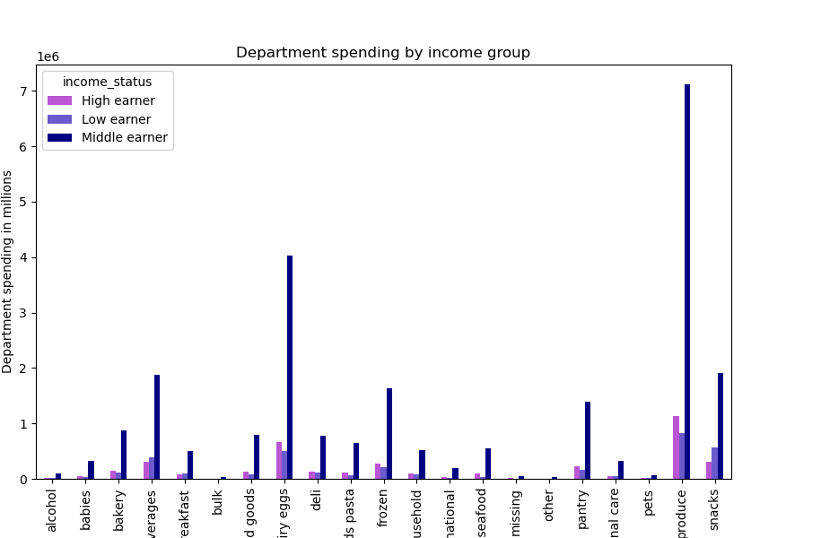
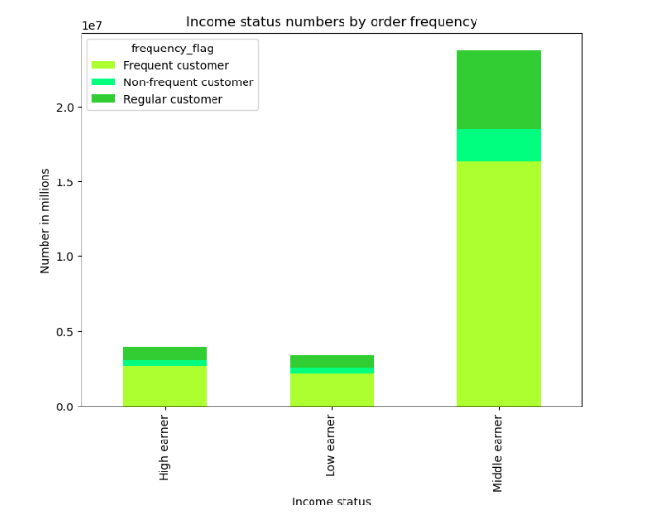
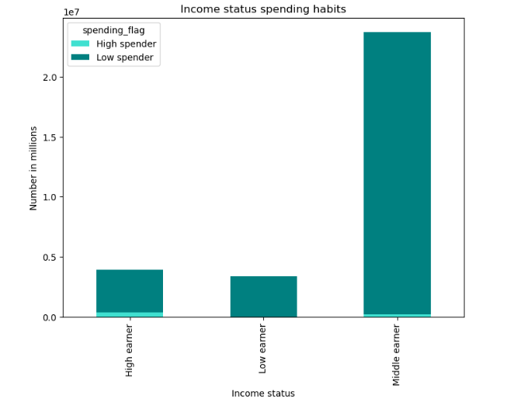
 |  | Those customers who have an income of between 50,000 and 150,000 (Middle earners) formed the largest income group, with almost 3/4 of our customer base. Low earners (those with an income of below 50,000) and High earners (over 150,000) mad up roughly 1/8 each of the customer base. This group also does not spend highly on orders, but they do order frequently.
 |  | There was a difference between this group and others in terms of department spending. While other groups spent the most money in Produce, Dairy/Eggs and Snacks, the income groups spent more in Beverages than Snacks.

7. Recommendations
 |  |  | Title page

Recommendations
In this tab you should include any recommendations you would made to Instcart in terms of their marketing strategy based on the questions posed in the brief. Every key question has been covered in the Tasks of the Exercises - here you need to add an item - a visualisation or table/crosstable that is showing the answer in the data, acompanied by a comment from you. Please, list the questions below and add the answer underneath.

Key Question 1 The sales team needs to know what the busiest days of the week and hours of the day are (i.e., the days and times with the most orders) in order to schedule ads at times when there are fewer orders.
Answer Saturday and Sunday are the busiest days of the week and the busiest time of the day is between 0900 and 1600 hours. Therefore, the best time to schedule ads (when there is fewest orders) is weekdays before 0900 and after 1600 hours.

Key Question 2 They also want to know whether there are particular times of the day when people spend the most money, as this might inform the type of products they advertise at these times.
Answer There is not a particular time of day when people spend significantly more than others, but slightly more is spent between 0300 and 0500 hours than at other periods in the day. This information may help to inform the advertising of particular products.

Key Question 3 Instacart has a lot of products with different price tags. Marketing and sales want to use simpler price range groupings to help direct their efforts. | Price range | Frequency
Answer Having looked at the frequency of product prices, it was clear that the majority of prices were below $15. Therefore, we created three price ranges - below $5 (low | Low range product | 10,126,384
range product), between $5 and $15 (mid range product) and above $15 (high range product). These price range groupings show that mid range products make up the vast majority of product prices and should help the Marketing and Sales departments to | Mid range product | 21,890,146
direct their efforts more easily, perhaps by increasing the number of mid-range products to sell but spending more of the marketing budget to push high range priced products. | High range product | 417,682

Key Question 4 Are there certain types of products that are more popular than others? The marketing and sales teams want to know which departments have the highest frequency of product orders.
Answer The produce department has by far the highest frequency of product orders, followed by Dairy/Eggs. For the main part (as we will see below), these were followed by Snacks, Beverages and Frozen. In order to further push the sales of snacks and beverages, it might be worthwhile creating deals to sell items from both departments together.

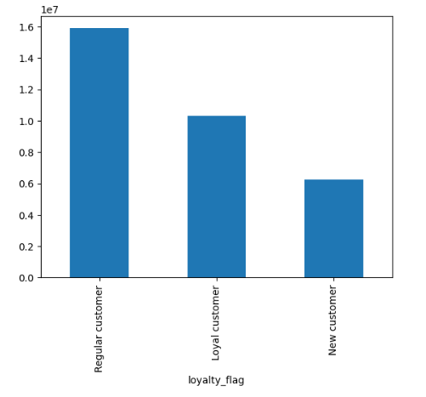
Key Question 5 The marketing and sales teams are particularly interested in the different types of customers in their system and how their ordering behaviors differ. For example: ○ What’s the distribution among users in regards to their brand loyalty (i.e., how often do they return to Instacart)? ○ Are there differences in ordering habits based on a customer’s loyalty status?
Answer We grouped customers by how often they have placed an order with Instacart. New customers have ordered 10 times or fewer, regular customers have ordered between 10 and 40 times, and loyal customers have placed more than 40 orders. Our customer base is made up of more regular customers than loyal or new, but spending habits do not seem to differ much between the groups. Creating a loyalty scheme reward could encourage regular and new customers to increase the number of orders they make with Instacart.

Key Question 6 What different classifications does the demographic information suggest?
Answer There are several classifications that were suggested by the demographic information. We have concentrated on marital status and age, parental status and income level. The spending habits of these groups did not differ as much as might be expected. They largely fell within the low spender category (buying products mainly costing less than $10 each) and spent the same amounts of money (proportionally speaking) in the same departments. The only real difference was that the higher earners (those whose income was above $150,000) spent more in beverages than snacks. Voucher packs sent out for items from less popular departments might encourage more spending in those areas.

Key Question 7 Are there differences in ordering habits based on a customer's region? |  |  |  | Region | Customer count
Answer For the most part, regional ordering was the same as ordering across the country. There were no real differences, even across different customer classifications. |  |  |  | South | 10,320,462
 |  |  |  | West | 7,934,427
 |  |  |  | Midwest | 7,267,707
 |  |  |  | Northeast | 5,470,068

